Intro
Search strategy
Abstract review
Data extraction
PRISMA chart
PICOS

Prognostic biomarkers for Pancreatic Ductal Adenocarcinoma. A Systematic Review and Modelling Study
Evidence Generation & Data Extraction
 | 2026-03-06

Developed by
Vassiliki Tarara MSc MBA
Karamitrousis Evangelos MD PhD
Contact: Karamitrousis Evangelos,MD, PhD
vkaramitrousis@gmail.com

Model development
LASSO prognostic model CPTAC TCGA
A paired differential expression analysis was performed using the limma package in R on median-normalized gene-level CPTAC-PDAC proteomic intensities. Matched tumor and normal samples were identified by shared sample IDs and analyzed using a linear model including patient as a blocking factor. Empirical Bayes moderation was applied, and P values were adjusted using the Benjamini-Hochberg false discovery rate method. Proteins with FDR < 0.05 and absolute log2 fold change ≥ 1 were considered significantly differentially expressed.

 |  |  | Gene | Coefficient (β) | Role
 |  |  | PRSS3 | 0.1074 | 🔴 Risk gene | ↑ expression → ↑ risk
The initial cross-omics signature was not significantly associated with overall survival in either univariable (HR = 1.13, p = 0.239) or multivariable Cox regression (HR = 1.08, p = 0.480), with limited discriminative ability (C-index = 0.52-0.56). In contrast, the LASSO-derived signature demonstrated strong prognostic performance, remaining highly significant in both univariable (HR = 6.41, p < 0.001) and multivariable analyses (HR = 6.13, p < 0.001), with improved prognostic accuracy (C-index ≈ 0.60). These findings indicate that the LASSO model captures survival-relevant molecular features beyond the initial biologically driven signature. |  |  | SLC16A10 | 0.0149 | 🔴 Weak risk
 |  |  | FKBP11 | -0.1327 | 🟢 Protective | ↑ expression → ↓ risk
 |  |  | SLC43A1 | -0.1099 | 🟢 Protective | ↑ expression → ↓ risk
 |  |  | AMY2B | -0.0127 | 🟢 Weak protective
data: | https://www.linkedomics.org/data_download/CPTAC-PDAC | proteins (gene symbols used for annotation)

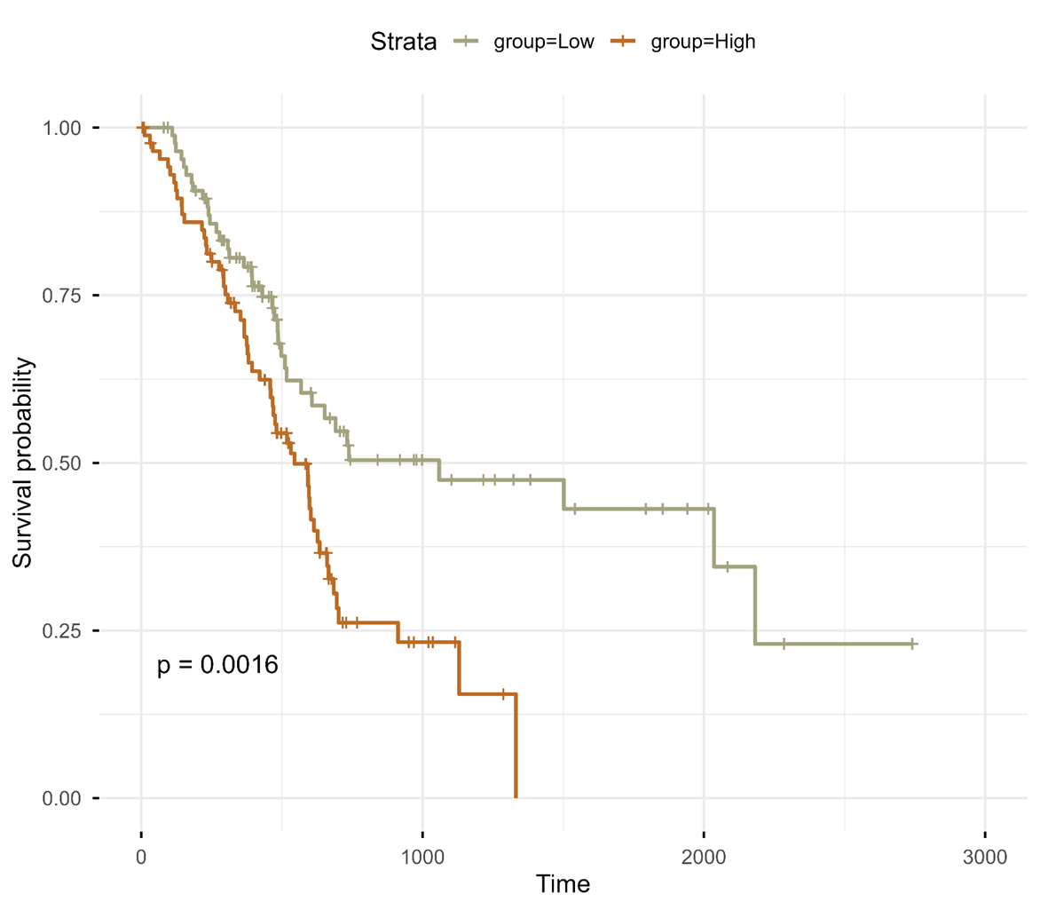
LASSO
Risk Score=(0.1074×PRSS3)+(0.0149×SLC16A10)−(0.1327×FKBP11)−(0.1099×SLC43A1)−(0.0127×AMY2B)
PRSS3 expression was validated using the Human Protein Atlas (HPA), confirming its enrichment in pancreatic tissue and significant upregulation in pancreatic adenocarcinoma at both RNA and protein levels.

